Images
 | <<Image 1>>

Q10

Q18 | <<Image 2>>

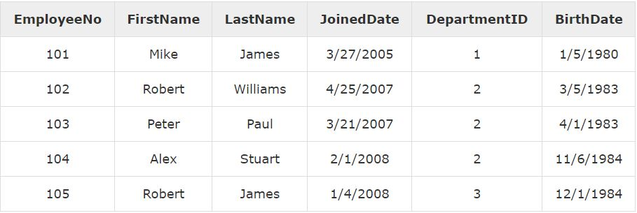

Q19 | <<Image 3>>

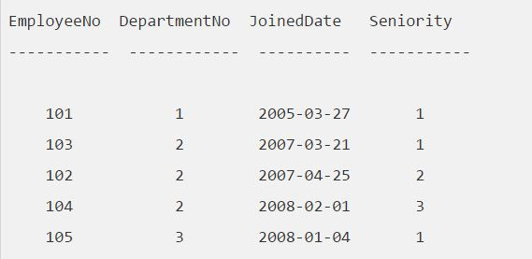

Q20 | <<Image 4>>
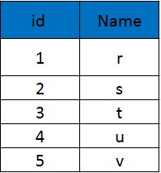

Q31 | <<Image 5A>>

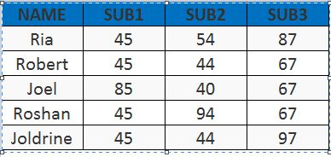

 | <<Image 5B>>

Q35 | <<Image 6>>

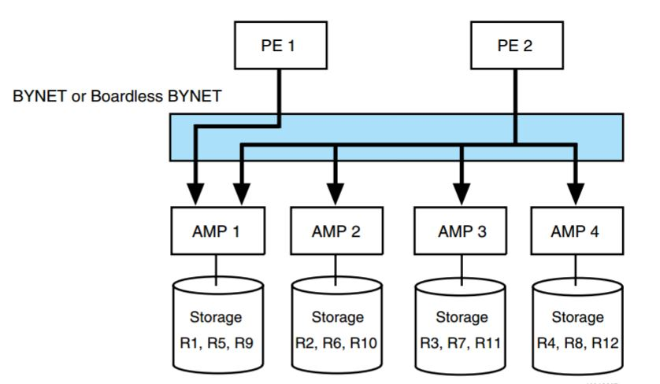

Q41 | <<Image 7A>>
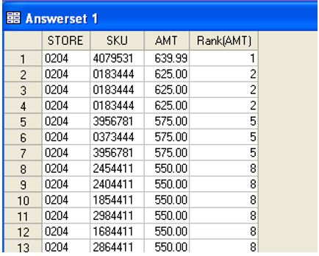

 | <<Image 7B>>
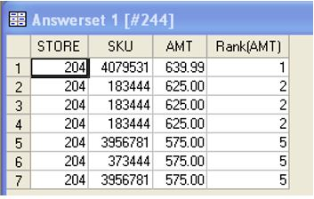

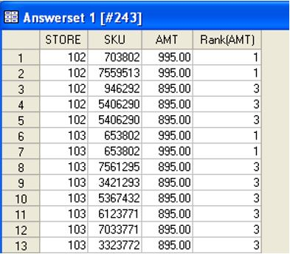
Q36 | <<Image 8>>

Q38 | <<Image 9>>
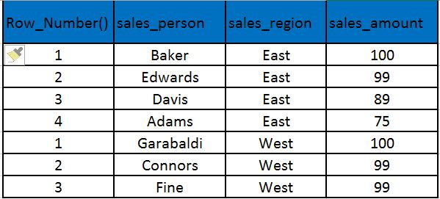

Q14 | <<Image 10>>

